Tranportation Problem
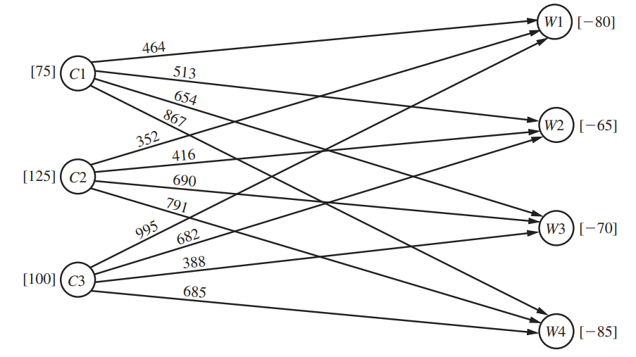
Introduction to Operation Research Chapter 9
Transportation Problem |  |  |  |  |  |  |  |  |  | Network Representation
P&T Co. Problem

 | Unit Cost |  | Shipping Cost per Truckload |  |  |  | Output (Supply)
 |  |  | Warehouse
 |  |  | 1 | 2 | 3 | 4
 | Cannery | 1 | $464 | $513 | $654 | $867 | 75
 |  | 2 | $352 | $416 | $690 | $791 | 125
 |  | 3 | $995 | $682 | $388 | $685 | 100
 | Aloocation (Supply) |  | 80 | 65 | 70 | 85

 | Shipping Quantity
 |  |  | Shipping Cost per Truckload |  |  |  | Total Shipped
 |  |  | W1 | W2 | W3 | W4 |  |  | Supply
 | Cannery | C1 | 0 | 20 | 0 | 55 | 75 | = | 75
 |  | C2 | 80 | 45 | 0 | 0 | 125 | = | 125 |  | Data cells
 |  | C3 | 0 | 0 | 70 | 30 | 100 | = | 100 |  | Changing cells
 | Total Received |  | 80 | 65 | 70 | 85 |  |  |  |  | Output cells
 |  |  | = | = | = | = |  |  | Total Cost |  | Objective cell
 |  | Demand | 79 | 65 | 70 | 85 |  |  | $152,535

